Sheet1
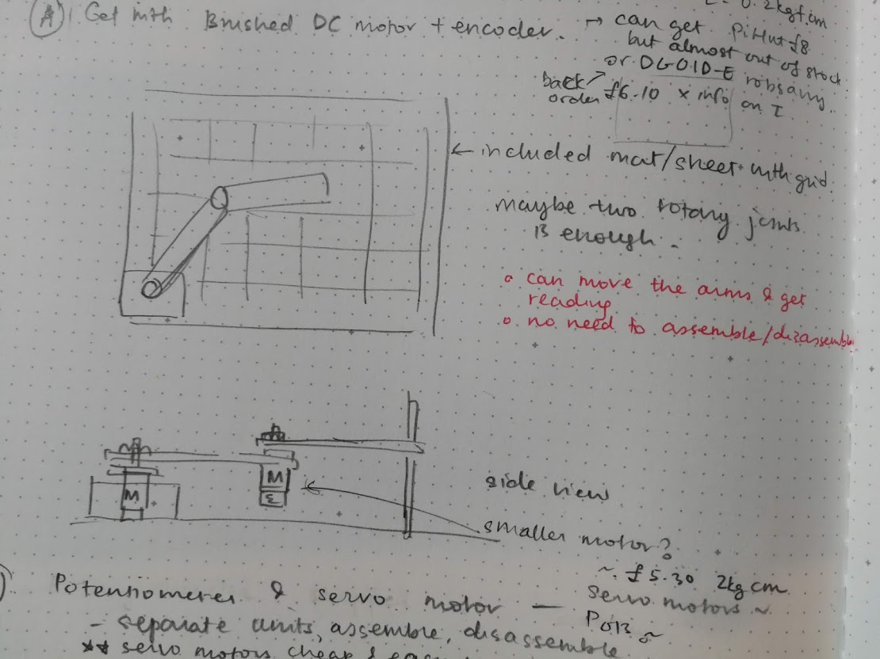
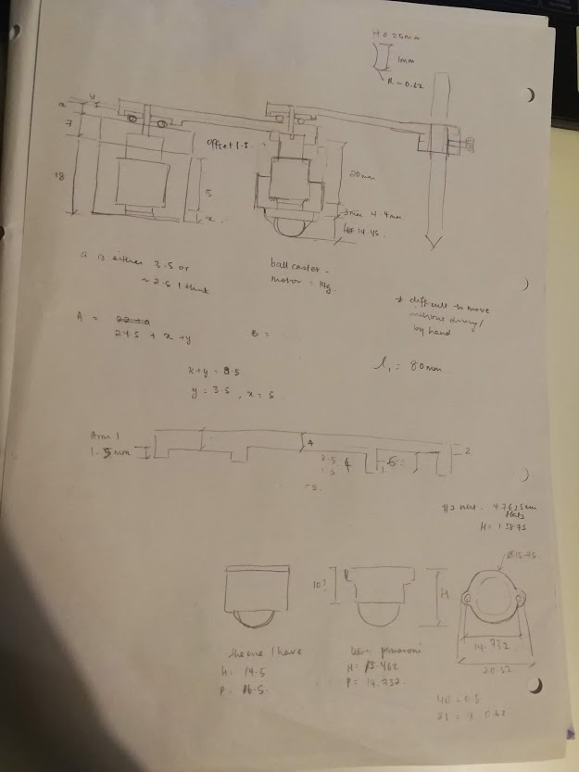
Objective

Give an appreciation of Robot Kinematics using a simplified 2DOF robot arm

Activity based off Robot Simulation Kinematics workshop
1. Introduce the idea of kinematics
2. Get them to build the robot arm, introduce revolute joints, brief explanations about what we want when we want to control the robot
3. Control robot using joint space, give target on mat
4. Control robot using Cartesian space, target on mat
5. Compare difficulties
6. (Future) could make an end effector that holds a pen? Depending on the torque the motor can put out, might consider future addition
7. (Future) Get them to try using Cartesian space to plan trajectories

